INDEX
# | Type | ALGORITHM | PROBLEM
A1 | Array-String | Anagram (I dring tea. ate) | From given String any sub string has anagram. Ex: A = I dring tea. B = ate A contains B's anagram
A2 | Array-String | Anagram (tea, eat, ate) | check if two given Strings are anagram.
A3 | Array-Integer | Count ways to reach end of N stairs | > at a time 1 or 2 steps can be claimed. Then how many ways can claim given N stairs. Input: n = 1 Output: 1 Input: n = 2 Output: 2 There are two ways: (1, 1) and (2) Input: n = 4 Output: 5 (1, 1, 1, 1), (1, 1, 2), (2, 1, 1), (1, 2, 1), (2, 2) This is another way of applying FIBONACCI series. Because, reach N stair - two ways can be reached N-1 or N-2.. hence forth... its similar to Fibonacci series.
A4 | Array-Matrix | Down Left Search | > O(n) When Sorted array is ascending (so lesser is left, bigger is bottom) 1> Start from Top row, Last Column 2> Move Left - Search element is Lesser than Current element 3> Move Down - search element is Greater than Current Element
A5 | Array-String | Edit Distance | Input: str1 = "geek", str2 = "gesek" Output: 1 ( We can convert str1 into str2 by inserting a 's'. ) Input: str1 = "cat", str2 = "cut" Output: 1 (We can convert str1 into str2 by replacing 'a' with 'u'.) Input: str1 = "sunday", str2 = "saturday" Output: 3
A6 | Array-Integer | Fibonacci Sequence | the series of numbers: 0, 1, 1, 2, 3, 5, 8, 13, 21, 34, ... The next number is found by adding up the two numbers before it. The 2 is found by adding the two numbers before it (1+1) Fib(n) = Fib(n-1) + Fib(n-2)
A7 | Array-Integer | Find distance between two given keys
A8 | Array-Integer | Find minimum difference between any two elements in an array of integer | 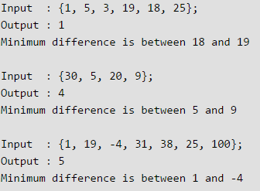
A9 | Array-Integer | Find Minimum number of Coins | 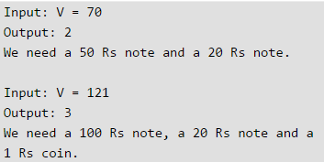 we have valued coins/notes { 1, 2, 5, 10, 20, 50, 100, 500, 1000}
A10 | Array-Integer | Find nearest greater elements on its right for each index. | For eg: [4, 5, 2, 25] [13, 7, 6, 12] In = [5, 3, 6, 12, 10, 6, 11] Out= [6, 6, 12, -1, 11, 11, -1]
A11 | Array-Integer | Find Peak Element Example: 2433342 peak is 3 | > Peak element is mid of an array element is smaller than left then Left has peak. > mid of element is smaller than right then peak is at right half.
A12 | Array-Integer | Find pivot in a sorted rotated array | Given a sorted array which has been rotated n number of times. Find the value of n.
A13 | Array-Integer | isSorted()
A14 | Array-String | KMP (Knuth-Morris-Pratt) Pattern Matching | > It has two parts of implementations. > one part is to create array of LPS (Longest Proper Suffix as well as Prefix) > then run matching array by comparing text and pattern's LPS
A15 | Array-String | Knapsack - 1/0 | Given set of items, each with weight and benefit. Determine maximum benefits by collecting <= total allowed weight.
A16 | Array-Integer | Kth largest item from array - Quick Sort
A17 | Array-String | Longest Common Subsequence | Example: BATD, ABACD where BAD is LCS - 3 > O(nm) > this algorithm useful to find matching word when mispelled.
A18 | Array-Integer | Longest Increasing Subsequence
A19 | Array-String | Longest Proper Suffix - | LPS[i], substring formed by 0…i, it’s the length of the longest proper prefix and suffix substring. Ex: AAAA ==> [0,1,2,3] ABAB==>[0,0,1,2] - AB is prefix and suffix. Length is 2.
A20 | Array-Matrix | M x N matrix - Sort
A21 | Array-Matrix | Maximum size square sub-matrix with all 1s | 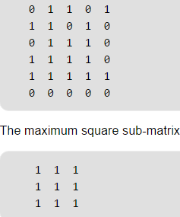
A22 | Array-Integer | Maximum subarray with maximum sum Largest sum of contiguous subarray ( Kadane's Algorithm ) | > subarray continuous small array of whole array. Order should not be changed. > Brute Force Solution - naïve approach ( checking all possible subarray O(n^2 ) > Kadane's Alg - Optimum solution O(n) >
A23 | Array-Integer | Median of two sorted arrays | 2 sorted arrays A and B of size n each. Write an algorithm to find the median of the array obtained after merging the above 2 arrays(i.e. array of length 2n). The complexity should be O(log(n)) int ar1[] = {1, 12, 15, 26, 38}; int ar2[] = {2, 13, 17, 30, 45}; median = 16
A24 | Array-Integer | Minimum Jump to reach end of Array | array[] = { 1, 4, 3, 7, 1, 2, 6, 7, 6, 10 } minimum jump to reach 10 is 3 ( 1,4,7)
A25 | Array-Matrix | N x N matrix - Search | 1> Binary Search - O(n log n) 2> Diagonal Binary Search O( log n!) 3> Squad partition - D&C method - O (n ^ 1.25) 4> Improved Squad Partition - O(n) 5> Down Left Search )=O(n)
A26 | Array-String | Non-repeat words | Print all the non-repeating words out of two given sentences. Statement 1: I have a blue pen. Statement 2: I got a red pen. Output : have blue got red
A27 | Array-String | Palindrome ("mom","dad","radar") | O (n/2)
A28 | Array-Integer | Palindrome (121, 1001, 12321) | -- Base idea: first digit and last digit same; decrement first and last then check - this logic Never works, with 0s in middle of ints. -- Better Idea: reverse digits from last until half of int, then compare first half and reversed half. -- /10 gives : last digit -- %10s gives : first digits; -- (* 10) + (/10) gives reverse digits;
A29 | Array-Integer | Perfect Number | Perfect Number is a positive integer that is equal to the sum of all its positive divisors except itself. Input: 28 Output: True Explanation: 28 = 1 + 2 + 4 + 7 + 14 Perfect Nums # 6, 28, 496, 8128.
A30 | Array-Integer | Prime Number | A whole number greater than 1. Has two factors 1 and itself. Prime numbers are 2, 3, 5, 7, 11, 13, 17, 19, 23, and 29.
A31 | Array-String | Readability | Calculate Flesch code on a sentence - readability can be ranked. Which needs words and syllabels counted. Flesch score < 30 - More difficult to read Flesch score > 90 - Easy to Read
A32 | Array String | Reverse String | O (n/2) -- Get array of chars from string -- compare first and last chars at a time; and check until reach n/2
A33 | Array String | Roman to Integer | Input: MMXII Output: 2012
A34 | Array-Integer | Skyline problem
A35 | Array-Integer | Subarray Sum Equals K | Given an array of integers and an integer k, you need to find the total number of continuous subarrays whose sum equals to k. Input:nums = [1,1,1], k = 2 Output: 2
A36 | Array-Integer | Trap Rain Water
Bit1 | BITs | find missing BitInteger | An array A[1... n] contains all the integers from 0 to n except for one number which is missing. In this problem, we cannot access an entire integer in A with a single operation. The elements of A are represented in binary, and the only operation we can use to access them is “fetch the jth bit of A[i]”, which takes constant time. Write code to find the missing integer. Can you do it in O(n) time?
Bit2 | BITs | Swap bits | Write a program to swap odd and even bits in an integer with as few instructions as possible (e.g., bit 0 and bit 1 are swapped, bit 2 and bit 3 are swapped, etc).
Bit3 | BITs | Next smallest, Largest number | Given an integer, print the next smallest and next largest number that have the same number of 1 bits in their binary representation.
Bit4 | BITs | is Sub-BinaryNumber ? | You are given two 32-bit numbers, N and M, and two bit positions, i and j. Write a method to set all bits between i and j in N equal to M (e.g., M becomes a substring of N located at i and starting at j). EXAMPLE: Input: N = 10000000000, M = 10101, i = 2, j = 6 Output: N = 10001010100
T1 | BST | Binary Search | Given a sorted array, find an index of a key. Steps: > Compare the key with middle of array; if its small go to left; else right. > repeat untill find equals.
T2 | BST | Find k-th smallest element in BST | Given root of binary search tree and K as input, find K-th smallest element in BST. For example, [4,8,10,12,14,20,22] in the array of BST, > k = 3, output=10, > k = 5, output = 14. Insists be aware the level stored in every node, helps to reduce the traversal; and this way O(1) know the height of BST
T3 | BST | Boundary Traversal BST | 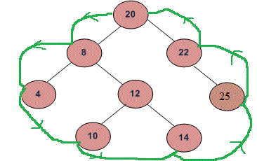
T4 | BST | distance between two given keys | 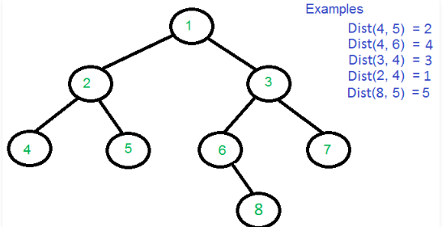
D1 | Dynamic | Pythagorean numbers | a2 + b2 = c2
D2 | Dynamic | Swapping two numbers - without temporary variable
D3 | Dynamic | Swapping two numbers - without temporary variable - without arithmetic operation
D4 | Dynamic | Swapping two numbers - without temporary variable - with division/multiplication
D5 | Dynamic | Brute-force algorithm (BAD) | 3-Sum : given N distinct integers, How many triples sum to exactly zero?
D6 | Dynamic |  | 3 Sum (N2 Log N) - Sorting based > Sort N distinct numbers (N^2 - Insertion sort) > Binary search each pair of numbers (N^2 log N - Binary search)
D | Dynamic | Residual Sum of Squares (RSS) | In statistics It is a measure of the discrepancy between the data and an estimation model.
G1 | Graph | Breadth-first | > en-queue all nodes in the level > de-queue before go to next level
G2 | Graph | Depdth First
G3 | Graph | Adj List | Array representation of Graph
G4 | Graph | Adj Matrix | Matrix representation of Graph
G5 | Graph | Dijkstra | To find shortest distance between nodes > uses BFS with Greedy approach to solve sub-prob
G6 | Graph | Topological Sort | > Topological Sort can be applied only to Directed Acyclic Graph. Example: 3->4 3->1 ; 1->2, 1->4; 1->6; 4->2, 4->5; 6->5; Ans: 3,1,4,2,6,5
G7 | Graph | Find total number of connected vertex | 2D matrix of 0s and 1s, find total number of clusters formed by elements with value 1.
G8 | Graph | K Centers Problem | 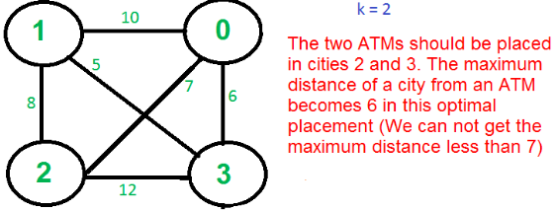 consider four cities, 0, 1, 2 and 3 and distances between them, how do place 2 ATMs among these 4 cities so that the maximum distance of a city to an ATM is minimized.
G9 | Graph | K Centers Problem - Approxim Alg | 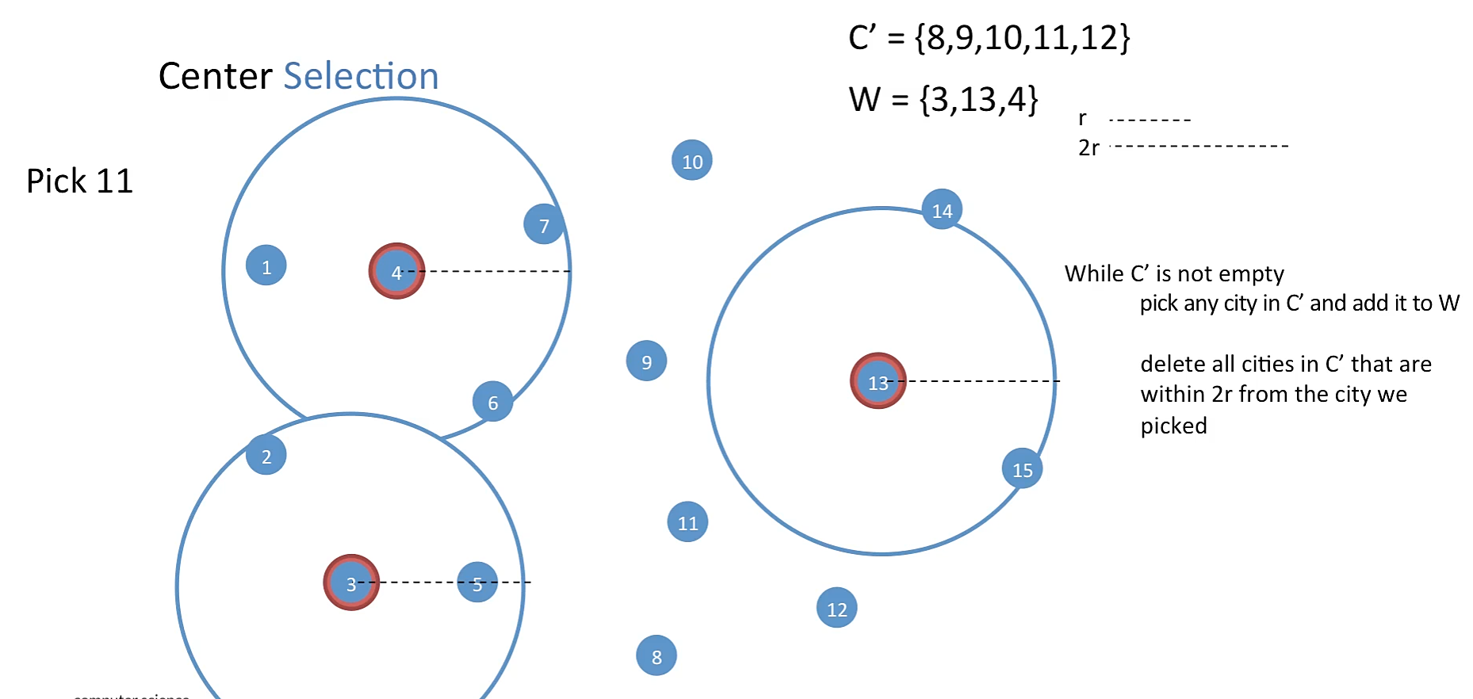
L1 | LinkedLst | Reverse Linked List

